Abaadee Web app
Tester: Engr. Muhammad Hamza Zubair
Abaadee Web app testing

Sr. no | Bug Description | Screenshot | Priority | Reported by | Assigned to | Status | Comments (If any)
1 | In the home page, the "Abaadee" logo is not aligned with the tabs i.e "Explore", "Developers" & "Agents" etc on the top navigation bar. The "Abaadee" logo on the left should be moved a little upward in a way that its text should be aligned in centre with the tabs on the right. |  | P3 | Engr. Muhammad Hamza Zubair
2 | The readability of the top navigation bar tabs is i.e "Explore", "Developers" and "Agents" etc is not good. Increase the font thickness or make it bold so that its readability could be better. |  | P3 | Engr. Muhammad Hamza Zubair
3 | On the home page, in the main content section, change the text, "Abaadee.com is a Real Estate Pakistan Property Portal" to "Abaadee.com is a Real Estate Pakistan's Property Portal". Add " 's " in "Pakistan". |  | P3 | Engr. Muhammad Hamza Zubair
4 | On the home screen, in "BUY" & "RENT" sections, the "Price" search filter for searching the desired properties is illogical as there are two different filters provided for selecting "Min" and "Max" ranges separately and both filters have an option to select a range which shouldn't be provided because only a single value can be entered for both i.e "Minimum" & "Maximum" values filters. Hint: 1) Provide only a single price filter and name it as, "Select Range" and on the left set text "Min" and on the right as "Max" so the user will be able to select range as per his requirement. 2) Another solution is that in the "Min" and "Max" value filters, remove the option to select range but instead give an option to select only a single value in both filters so the user will select only a single "Min" value and will also select a single "Max" value which will become a range and searching will be done according to it. |  | P1 | Engr. Muhammad Hamza Zubair
5 | After selecting "City" from search filters section and than selecting locaion, the locations of the other cities are also displaying and are selectable. The location field should only display the locations of the selected city. For e.g if I have selected "City" as "Karachi" than in the "Location" field, all the locations within Karachi should be displayed but not outside Karachi. | 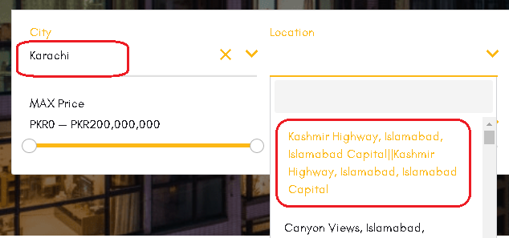 | P2 | Engr. Muhammad Hamza Zubair
6 | The "Beds" field drop down list's options order is out of sequence in "BUY", "RENT" & "WANTED" sections. The numbers should be in asccending order from (1 - 11 ), after numbers there will be options "Studio" & "Other". | 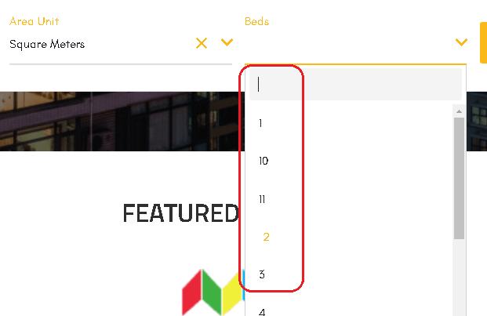 | P2 | Engr. Muhammad Hamza Zubair
7 | In "Rent" section, there is no option of "Studio" in the "Beds" field drop down list. Add "Studio" option in the drop down list. |  | P2 | Engr. Muhammad Hamza Zubair
8 | In "RENT" & "WANTED" sections, on clicking on the "Location" and "Property Type" fields, no option is there to enter the location and property type name manually as available in "BUY" section. Add an option to enter the location and property type manually. |  | P2 | Engr. Muhammad Hamza Zubair
9 | In "WANTED" section, unable to select "MIN" & "MAX" price range to filter the properties + the price value is in correct i.e showing ( PKR180,000 — PKR180,000 ) in the "MIN" & "MAX" value filters but instead the "MIN" & "MAX" amount values should be displayed as per user's selection. |  | P1 | Engr. Muhammad Hamza Zubair
10 | In "PROJECT" section, there is no option to enter the project name. An option should be added to enter the project name manually if a user wants to search any project by name. | 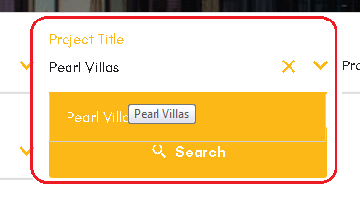 | P1 | Engr. Muhammad Hamza Zubair
11 | In "PROJECT" section, there is no option to enter "Developer Title". An option should be added to enter the "Developer Title" manually if a user wants to search for any particular Developer. On entering the name of the developer in the search box, a drop down list of the developers should be opened from which the user can select the desired Developer. Note: An e.g is provided in the screen shot for help. | 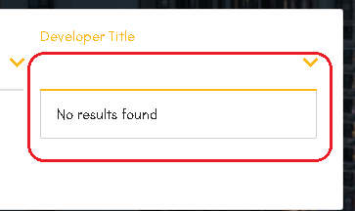 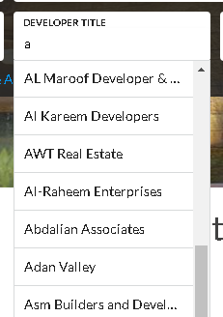 | P1 | Engr. Muhammad Hamza Zubair
12 | Add "Price" filter in "WANTED" section. If a user wants to search for properties with in a particular price range than he should be able to select the price range for searching. Currently there is no "Price" filter available. |  | P2 | Engr. Muhammad Hamza Zubair
13 | On the home page, in the "Featured Agencies" section, the scroll buttons available on the left and right side of the featured agencies logo are not visible clearly. Change the scroll buttons color to "Grey" so the buttons visibility will be increased and it will look better. |  | P3 | Engr. Muhammad Hamza Zubair
14 | On the home screen, in "Who we are" section, the header "Who We Are" text is looking as cropped from upper and lower ends or is not fully displaying. Adjust it in a way that it should be displayed properly. Note: See the letters "W" & "A". It seems that these letters are cropped from upper and lower ends and aren't displaying properly. |  | P3 | Engr. Muhammad Hamza Zubair
15 | In "Who We Are" section, there are some minor grammatical mistakes in its content. The corrected content is as under: "Abaadee is the growing platform for finding the right Real Estate in Pakistan. It is an initiative to shape the future of the Real Estate Sector of Pakistan. We enable everyone and anyone to buy and sell property in Pakistan, our website has various features to filter property and find the right buyer, as we take pride in being the fastest growing property portal in Pakistan. We have partnered with thousands of Real Estate agents across Pakistan to help you grow better and profitable property deals. We offer featured property listing in Pakistan of both commercial and residential property. Property hunt in Pakistan is made effortless with Abaadee. As we proffer our customer with correspondent listing of all the cities of Pakistan. We provide you with guaranteed growth and improved property buying and selling experiences by using advanced technologies. Our property portal has an interesting list of properties in Karachi. Moreover, if you are searching for a house in a different city we have a number of property listing in Islamabad and some other property listing of Lahore. Whereas, if you are seeking for a property to invest you can try our featured properties in Rawalpindi. We organize the property information of cities of Pakistan and makes it accessible and useful for all in exigencies. Note: The words highlighted and underlined with red are the corrections. |  | P3 | Engr. Muhammad Hamza Zubair
16 | In "Featured Listings for sale" section available on the home screen, the property's price which is displayed on each property window has very low visibility + there should be a space after PKR e.g " PKR 6,000,000". Give "space" after "PKR" every where where price is mentioned and also the problem of price visibility is also there in every property window in all sections. | 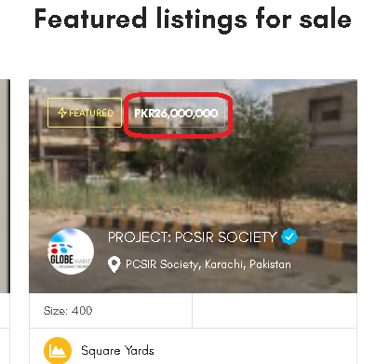 | P3 | Engr. Muhammad Hamza Zubair
17 | In "Featured Listings for sale" section, increase the size of the "Quick View" & "Bookmark" icons available on the property window. | 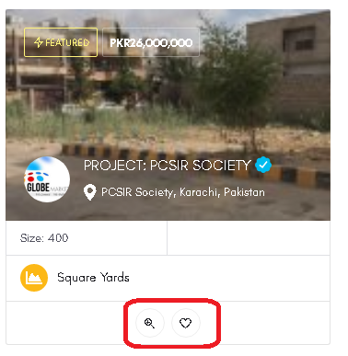 | P3 | Engr. Muhammad Hamza Zubair
18 | In "Popular cities for rent properties" section, change the heading to, "Popular cities to rent properties". Change "for" to "to". |  | P3 | Engr. Muhammad Hamza Zubair
19 | In "Explore" screen, in "Filters" section, the "City" selection field should be on top so first the user will have to select city and than he can only select any location of that selected city but not outside of that city. The search in the location field should be performed according to the selected city. Currently the user is able to select the location of another city which shouldn't be allowed. | 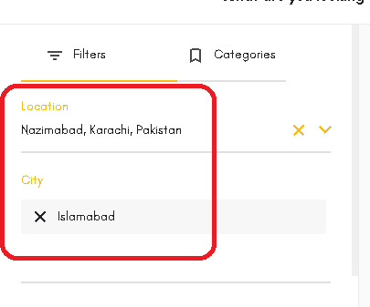 | P2 | Engr. Muhammad Hamza Zubair
20 | In "Explore" screen, in "filters" section, the "Beds" filter field options are not in sequence. The number sequence should be in order from ( 1 - 11 ) and after that there should be options "Studio" & "Other" | 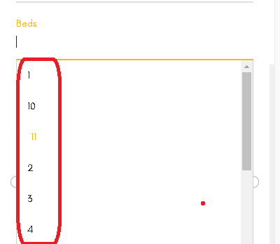 | P2 | Engr. Muhammad Hamza Zubair
21 | The "Privacy Policy" page is blank. Add privacy policy content on this page. | 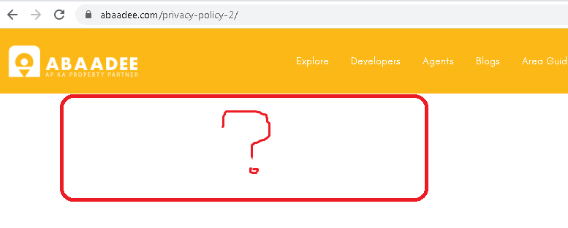 | P2 | Engr. Muhammad Hamza Zubair
22 | On the home screen, in the top navigation bar tabs, currently the option "Maps" comes on hovering over the tab "Area Guide" but instead there should be a separate tab for "Maps" on the top navigation bar. It should not be with in "Area Guide" tab. | 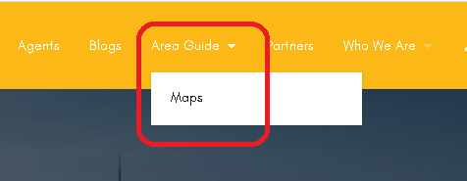 | P3 | Engr. Muhammad Hamza Zubair
23 | In "Area Guide" screen, after clicking on the location windows available in the cities section i.e under "LAHORE", "KARACHI", "ISLAMABAD", "PESHAWAR", the location details screen of all the locations is not opening. | 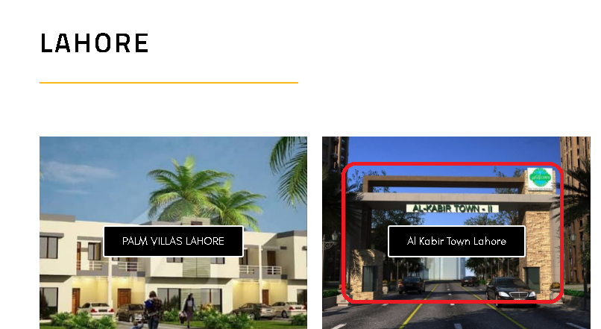 | P1 | Engr. Muhammad Hamza Zubair
24 | On clicking on "View All" button with in city's section i.e "LAHORE", "KARACHI" etc, the locations list is not expanding and also is not showing all the locations of that particular city but instead taking the user to the top section of the screen i.e "Discover Pakistan!" |  | P2 | Engr. Muhammad Hamza Zubair
25 | In "Area Guide" screen, dummy location data is entered in most of the cities. Insert the actual location data for each city. | 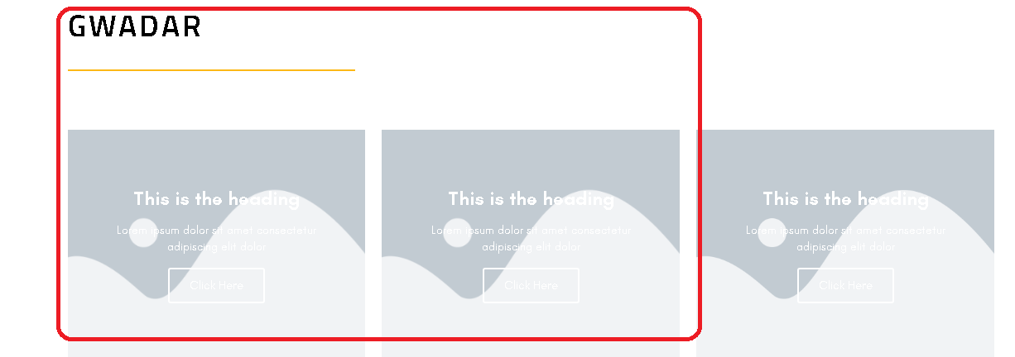 | P1 | Engr. Muhammad Hamza Zubair
26 | The "Location" search box available on the "Area Guide" screen should perform searching based on locations of all the cities of Pakistan. When the user enters anything other than location of a city in search box, than the suggestion list should not be opened and search should not be performed after entering anything (other than location) and on clicking on the search button. The user should only be able to search a location, on selecting it from suggestion list and clicking on the search button. Currently on entering the name of the location in the search box, no suggestion list is opening. Note: See in the attached ss that on entering location name in search box, the suggestion list is not opening which should be opened and the user should be able to select the location from that list Hint: An e.g ss is attached for help that how the search bar should be. | 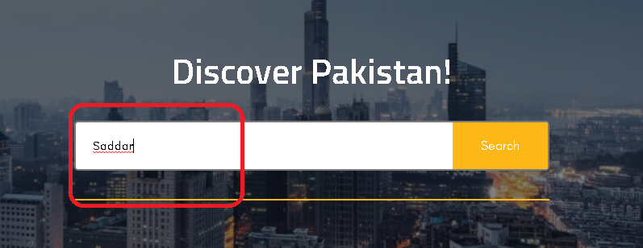 | P2 | Engr. Muhammad Hamza Zubair
27 | In "Area Guide" screen, on searching any location by entering the locations's name in the search box and clicking on the search button, the search is performing and displaying the properties available + Blogs which should not be searched but instead only the entered location should be searched and the searched location's page should be opened showing all its details and description. | 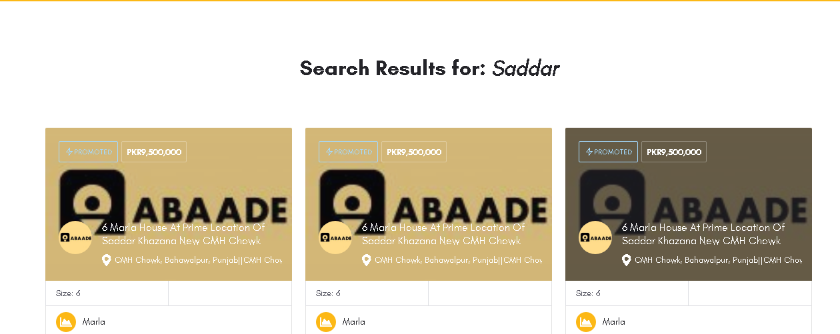 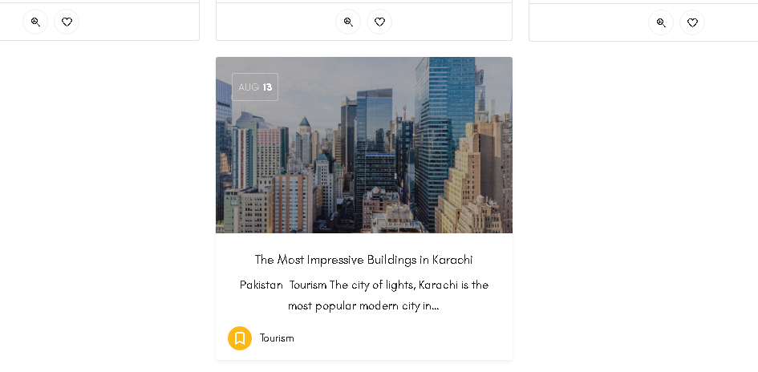 | P2 | Engr. Muhammad Hamza Zubair
28 | In the "Area Guide" screen, click on the location window "Palm Villas Lahore" from "LAHORE" section, the location details page will be opened. The options "Highlights", "Neighbourhood", "Life style" & "Location" available below the page's banner image are not working. On selecting any of these options, the user should be moved to that particular section of the page. | 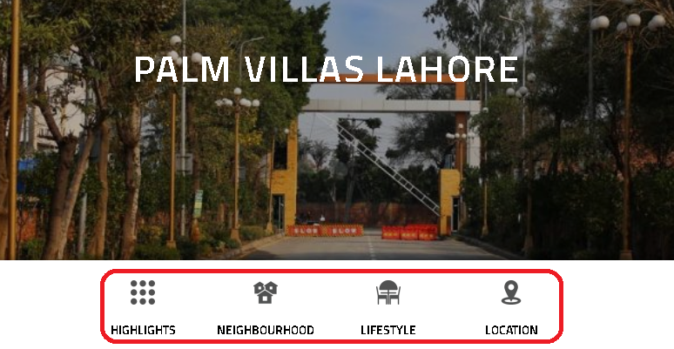 | P2 | Engr. Muhammad Hamza Zubair
29 | In the "Area Guide" screen, click on the location window "Palm Villas Lahore" from "LAHORE" section, the location details page will be opened. Scroll down to "Life styles" section at the bottom. In this section, you will find a heading as, "Are you looking to rent or buy property in Palm Villas, Lahore ?". Under this heading there are options available as "Buy Houses", "Rent Houses", "Buy Flat", "Rent Flat" etc. These options are not working yet. On selecting any of these options, the user is moved to the top section of this screen but instead after selecting any option, a new window should be opened on which the available properties related to the selected option of that location should be searched and displayed. Hint: For e.g If I select option "Buy Houses", than all the properties will be searched and displayed, available with in that particular location i.e the location screen from which we are selecting the option "Buy Houses" etc according to our selected category i.e In this case all the properties will be searched and displayed having these attributes: 1) With in location "PALM VILLAS LAHORE" 2) Houses to sell |  | P1 | Engr. Muhammad Hamza Zubair
30 | In the bottom navigation bar, on entering email and clicking on "Subscribe to our news letter button", the email is not receiving on the entered email address but the message is displaying as, "The form was sent successfully." |  | P1 | Engr. Muhammad Hamza Zubair
31 | There should be a "Home" tab on the top navigation bar. On clicking on the home tab the home screen should be opened. |  | P3 | Engr. Muhammad Hamza Zubair
32 | In "Blog" screen, move to the bottom navigation bar and click on "Abaadee.com" available below social media icon buttons. On clicking on this link, getting an error, "Error 404: The page you are looking for cannot be found.", on the opened page. | 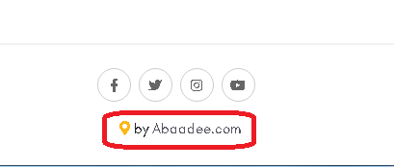  | P2 | Engr. Muhammad Hamza Zubair
33 | On "Maps" screen, currently it seems that this screen is of no use because the locations given on this screen are non-selectable + there is no option to select city and location so there is no functionality given on this screen. Add these functionalities and options on this screen: 1) The user should be able to select city and location 2) The maps of all the societies and projects should be displayed. 3) If the user searches for any particular city and location than all the maps of the societies or projects available with in that city and location will be displayed. | 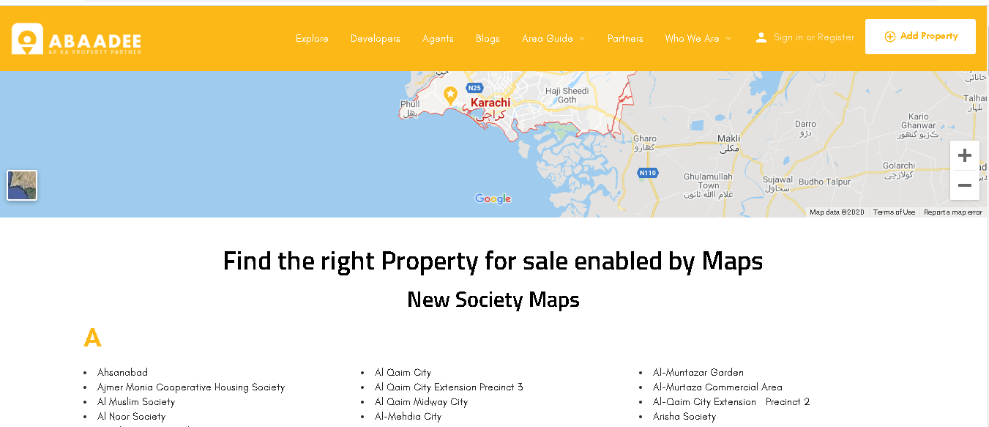 | P1 | Engr. Muhammad Hamza Zubair
34 | In "Partners" screen, under "Our Partners" section, on clicking on any from the list of partners, the website of that company should be opened. |  | P3 | Engr. Muhammad Hamza Zubair
35 | In "Partners" screen, under "Our Partners" section, change the message "Be Part Of Our Success." to "Be A Part Of Our Success.". Add "A" after "Be". |  | P3 | Engr. Muhammad Hamza Zubair
36 | In "Who We Are" tab, in "About Us" screen, go to "Our Mission" section. There is a mistake in the content " w are here to help you, so you won’t have to worry about buying property ever again." Change it to " We are here to help you, so you won’t have to worry about buying property ever again.". |  | P3 | Engr. Muhammad Hamza Zubair
37 | In "Who We Are" tab, in "About Us" screen, go to "Our Vision" section. There is a mistake in the content "We seek to save time and resources for both the buyers and sellers through or platform." Change it to "We seek to save time and resources for both the buyers and sellers through our platform." | 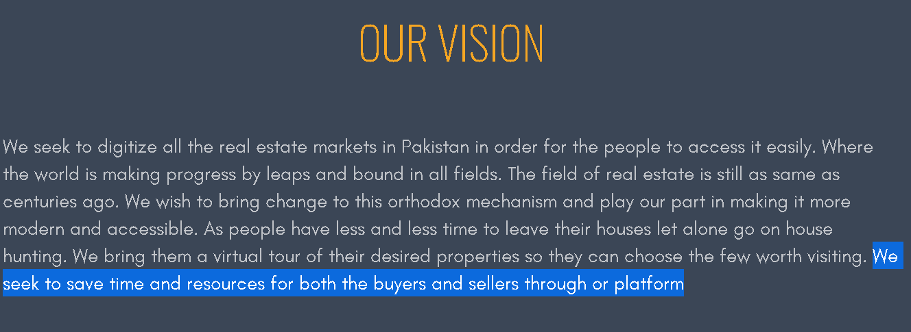 | P3 | Engr. Muhammad Hamza Zubair
38 | In "Who We Are" tab, in "About Us" screen, go to "Our Values" section. There is a mistake in the content "Moreover, we value an organized and user-friendly platform that helps people located the property they desire." Change it to "Moreover, we value an organized and user-friendly platform that helps people to locate the property they desire." |  | P3 | Engr. Muhammad Hamza Zubair
39 | In the "Contact Us" screen, available in "Who We Are" tab, also add "Instagram" icon with other social media icons available on the top-left of this screen below top nav bar. |  | P3 | Engr. Muhammad Hamza Zubair
40 | In the "Contact Us" screen, available in "Who We Are" tab, after filling and submitting the form, a message is displaying as, "The form was sent successfully". Change this message to "Message sent successfully." | 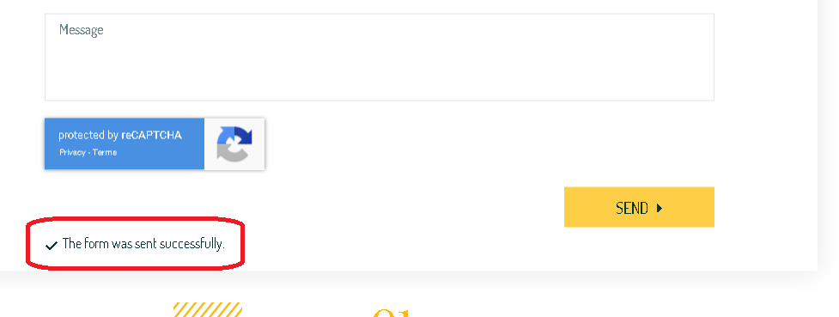 | P3 | Engr. Muhammad Hamza Zubair

